Aggregated W2E Tool

AMPC Aggregated Waste to Energy (W2E) Tool
© All Energy Pty Ltd, 2020

Input Plant Information

Average Processing Rate in Head Per Week | 4500
Average Processing Rate [tHSCW pw] | 1598

Approximate Production of Non-Recyclable Wastes [tpw] |  | Solids %
Paunch | 114 | 25%
Aerobic Wastewater Sludge / Waste Activated Sludge | 313 | 12.50%
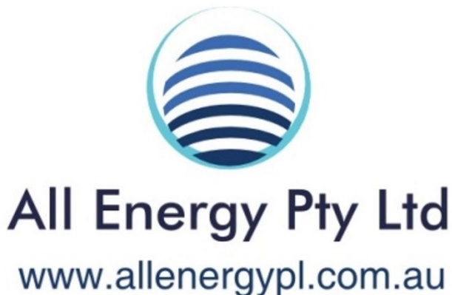
DAF Sludge | 57 | 7%
Green Stream Screenings | 9 | 20%
Red Stream Screenings | 13 | 20%
Plastic Packaging | 7 | 90%
Cardboard Packaging | 5 | 90%
Kitchen / Cafeteria Waste | 2 | 25%

Surrounding Available Wastes

Local council population | 0

W2E Options

Anaerobic Digestion (AD) of FOGO and RMP organics
tpw digested | 509
MWe | 0.7
MWt | 0.8

Gasification of RDF [excludes FOGO and RMP organics]
tpw gasified | 12
MWe | 0.3
MWt | 0.1

Combustion of Paunch and Wood in 1:1 ratio
tpw burned | 228
GJ pw | 2185
MWt | 5.3

Cost Data

Power Volume Price [$/kWh] | $0.14
Power Demand Price [$/kVA/day or $/kW/day] | $0.27
Thermal Fuel Price [$/GJ] | $12

Cost Benefit Analysis

W2E Option | AD | Gasification | Paunch Combustion
Capital Cost | $5,200,000 | $6,200,000 | $2,400,000
Revenue per Annum | $600,000 | $200,000 | $900,000
Simple Payback | 8.7 | 31.0 | 2.7

